Main

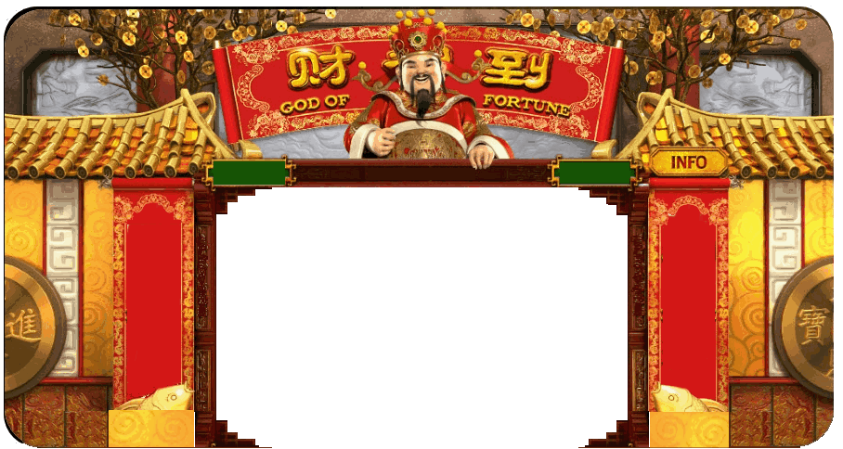
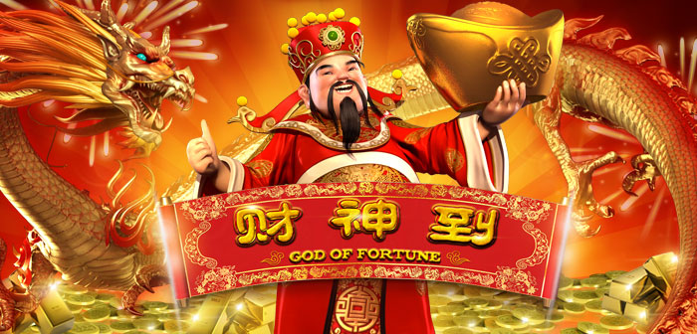
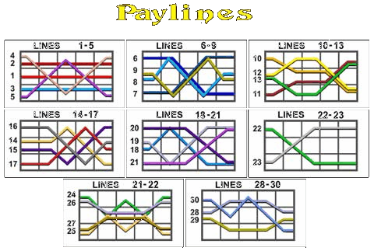
$1
3
0
L
i
nes
10 FreeSpins
Awarded When
More Than 4
Appears

 |  |  |  |  |  | CREDITS
 |  |  |  |  | 13,800
 |  |  |  |  |  | BET Per LINE
 |  |  |  |  | 20
 |  |  |  |  |  | Total LINES Bet
INFO
 |  |  |  |  | 30
Press Spin To Start
 |  |  |  |  |  | Total Bet
 |  | 0 |  |  | 600

LINES
BET
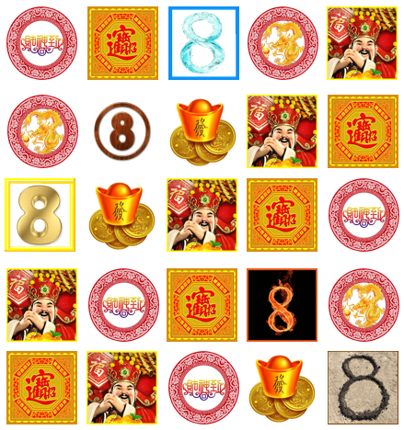
MAX BET
SPIN

 |  |  |  |  | Whenever 5 Elements
 | God of Fortune is Wild |  |  |  | Metal, Wood, Water
Substitutes All Symbols |  |  |  |  | Fire & Earth
Except : |  |  |  |  | Aligns In Order
 |  |  |  |  | 5 Free Spins
 |  |  |  |  | Will Be Awarded

Machine Pays Only Left To Right |  |  |  | Machine Pays Only Left To Right

 |  |  | 财神到 God Of Fortune Slot Programmed By Remy Lim @ 2017

